Decoded
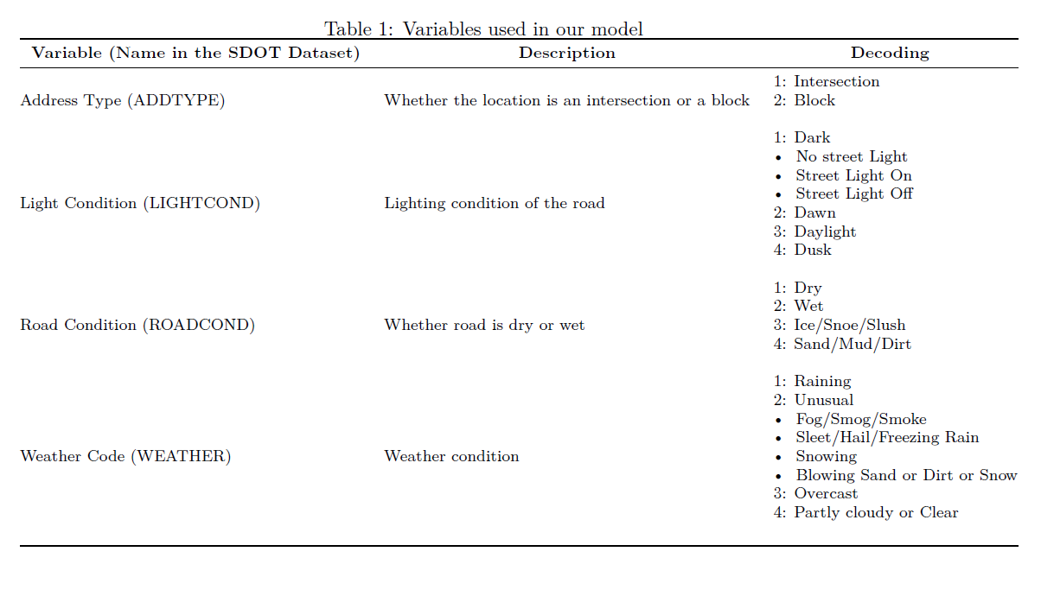
 | roadcode | weathercode | adcode | lightcode | accounts
1 | 1 | 1 | 1 | 1 | 3
2 | 1 | 1 | 1 | 2 | 1
3 | 1 | 1 | 1 | 3 | 3
4 | 1 | 1 | 1 | 4 | 0
5 | 1 | 1 | 2 | 1 | 2
6 | 1 | 1 | 2 | 2 | 0
7 | 1 | 1 | 2 | 3 | 5
8 | 1 | 1 | 2 | 4 | 0
9 | 1 | 2 | 1 | 1 | 0
10 | 1 | 2 | 1 | 2 | 0
11 | 1 | 2 | 1 | 3 | 0
12 | 1 | 2 | 1 | 4 | 0
13 | 1 | 2 | 2 | 1 | 0
14 | 1 | 2 | 2 | 2 | 0
15 | 1 | 2 | 2 | 3 | 1
16 | 1 | 2 | 2 | 4 | 0
17 | 1 | 3 | 1 | 1 | 52
18 | 1 | 3 | 1 | 2 | 9
19 | 1 | 3 | 1 | 3 | 184
20 | 1 | 3 | 1 | 4 | 15
21 | 1 | 3 | 2 | 1 | 20
22 | 1 | 3 | 2 | 2 | 4
23 | 1 | 3 | 2 | 3 | 173
24 | 1 | 3 | 2 | 4 | 9
25 | 1 | 4 | 1 | 1 | 293
26 | 1 | 4 | 1 | 2 | 22
27 | 1 | 4 | 1 | 3 | 1445
28 | 1 | 4 | 1 | 4 | 68
29 | 1 | 4 | 2 | 1 | 185
30 | 1 | 4 | 2 | 2 | 25
31 | 1 | 4 | 2 | 3 | 1232
32 | 1 | 4 | 2 | 4 | 59
33 | 2 | 1 | 1 | 1 | 150
34 | 2 | 1 | 1 | 2 | 9
35 | 2 | 1 | 1 | 3 | 161
36 | 2 | 1 | 1 | 4 | 12
37 | 2 | 1 | 2 | 1 | 74
38 | 2 | 1 | 2 | 2 | 6
39 | 2 | 1 | 2 | 3 | 103
40 | 2 | 1 | 2 | 4 | 5
41 | 2 | 2 | 1 | 1 | 2
42 | 2 | 2 | 1 | 2 | 0
43 | 2 | 2 | 1 | 3 | 0
44 | 2 | 2 | 1 | 4 | 0
45 | 2 | 2 | 2 | 1 | 0
46 | 2 | 2 | 2 | 2 | 0
47 | 2 | 2 | 2 | 3 | 1
48 | 2 | 2 | 2 | 4 | 0
49 | 2 | 3 | 1 | 1 | 34
50 | 2 | 3 | 1 | 2 | 5
51 | 2 | 3 | 1 | 3 | 83
52 | 2 | 3 | 1 | 4 | 9
53 | 2 | 3 | 2 | 1 | 25
54 | 2 | 3 | 2 | 2 | 4
55 | 2 | 3 | 2 | 3 | 54
56 | 2 | 3 | 2 | 4 | 5
57 | 2 | 4 | 1 | 1 | 7
58 | 2 | 4 | 1 | 2 | 2
59 | 2 | 4 | 1 | 3 | 26
60 | 2 | 4 | 1 | 4 | 2
61 | 2 | 4 | 2 | 1 | 9
62 | 2 | 4 | 2 | 2 | 2
63 | 2 | 4 | 2 | 3 | 20
64 | 2 | 4 | 2 | 4 | 1
65 | 3 | 1 | 1 | 1 | 0
66 | 3 | 1 | 1 | 2 | 0
67 | 3 | 1 | 1 | 3 | 0
68 | 3 | 1 | 1 | 4 | 0
69 | 3 | 1 | 2 | 1 | 0
70 | 3 | 1 | 2 | 2 | 0
71 | 3 | 1 | 2 | 3 | 0
72 | 3 | 1 | 2 | 4 | 0
73 | 3 | 2 | 1 | 1 | 0
74 | 3 | 2 | 1 | 2 | 0
75 | 3 | 2 | 1 | 3 | 0
76 | 3 | 2 | 1 | 4 | 0
77 | 3 | 2 | 2 | 1 | 0
78 | 3 | 2 | 2 | 2 | 0
79 | 3 | 2 | 2 | 3 | 1
80 | 3 | 2 | 2 | 4 | 0
81 | 3 | 3 | 1 | 1 | 0
82 | 3 | 3 | 1 | 2 | 0
83 | 3 | 3 | 1 | 3 | 1
84 | 3 | 3 | 1 | 4 | 0
85 | 3 | 3 | 2 | 1 | 1
86 | 3 | 3 | 2 | 2 | 0
87 | 3 | 3 | 2 | 3 | 0
88 | 3 | 3 | 2 | 4 | 0
89 | 3 | 4 | 1 | 1 | 2
90 | 3 | 4 | 1 | 2 | 0
91 | 3 | 4 | 1 | 3 | 3
92 | 3 | 4 | 1 | 4 | 0
93 | 3 | 4 | 2 | 1 | 1
94 | 3 | 4 | 2 | 2 | 1
95 | 3 | 4 | 2 | 3 | 3
96 | 3 | 4 | 2 | 4 | 0
97 | 4 | 1 | 1 | 1 | 1
98 | 4 | 1 | 1 | 2 | 1
99 | 4 | 1 | 1 | 3 | 0
100 | 4 | 1 | 1 | 4 | 0
101 | 4 | 1 | 2 | 1 | 0
102 | 4 | 1 | 2 | 2 | 0
103 | 4 | 1 | 2 | 3 | 0
104 | 4 | 1 | 2 | 4 | 0
105 | 4 | 2 | 1 | 1 | 0
106 | 4 | 2 | 1 | 2 | 0
107 | 4 | 2 | 1 | 3 | 0
108 | 4 | 2 | 1 | 4 | 0
109 | 4 | 2 | 2 | 1 | 0
110 | 4 | 2 | 2 | 2 | 0
111 | 4 | 2 | 2 | 3 | 0
112 | 4 | 2 | 2 | 4 | 0
113 | 4 | 3 | 1 | 1 | 0
114 | 4 | 3 | 1 | 2 | 0
115 | 4 | 3 | 1 | 3 | 0
116 | 4 | 3 | 1 | 4 | 0
117 | 4 | 3 | 2 | 1 | 0
118 | 4 | 3 | 2 | 2 | 0
119 | 4 | 3 | 2 | 3 | 0
120 | 4 | 3 | 2 | 4 | 0
121 | 4 | 4 | 1 | 1 | 0
122 | 4 | 4 | 1 | 2 | 0
123 | 4 | 4 | 1 | 3 | 0
124 | 4 | 4 | 1 | 4 | 0
125 | 4 | 4 | 2 | 1 | 0
126 | 4 | 4 | 2 | 2 | 0
127 | 4 | 4 | 2 | 3 | 0
128 | 4 | 4 | 2 | 4 | 0

